2024 Network Level
 |  |  |  |  | Wanaka | Arthurs Point | Corbridge | Lake Hayes | Queenstown | Arrowtown | Glenorchy | Hawea | Luggate | Wanaka Airport
Outcome | Performance Measure | Data Points | Code | Issues | WAN002 | ART001 | COR006 | LAK003 | QUE001 | ARR001 | GLE003 | HAW002 | LUG001 | WAN007
Resources are used efficiently | Drinking water network water losses | Estimated total drinking water network water loss (m3/year) | D-RE1 | get total usage of for year from Infrastructure data (from SCADA). Take full year from monhtly report - filter for year
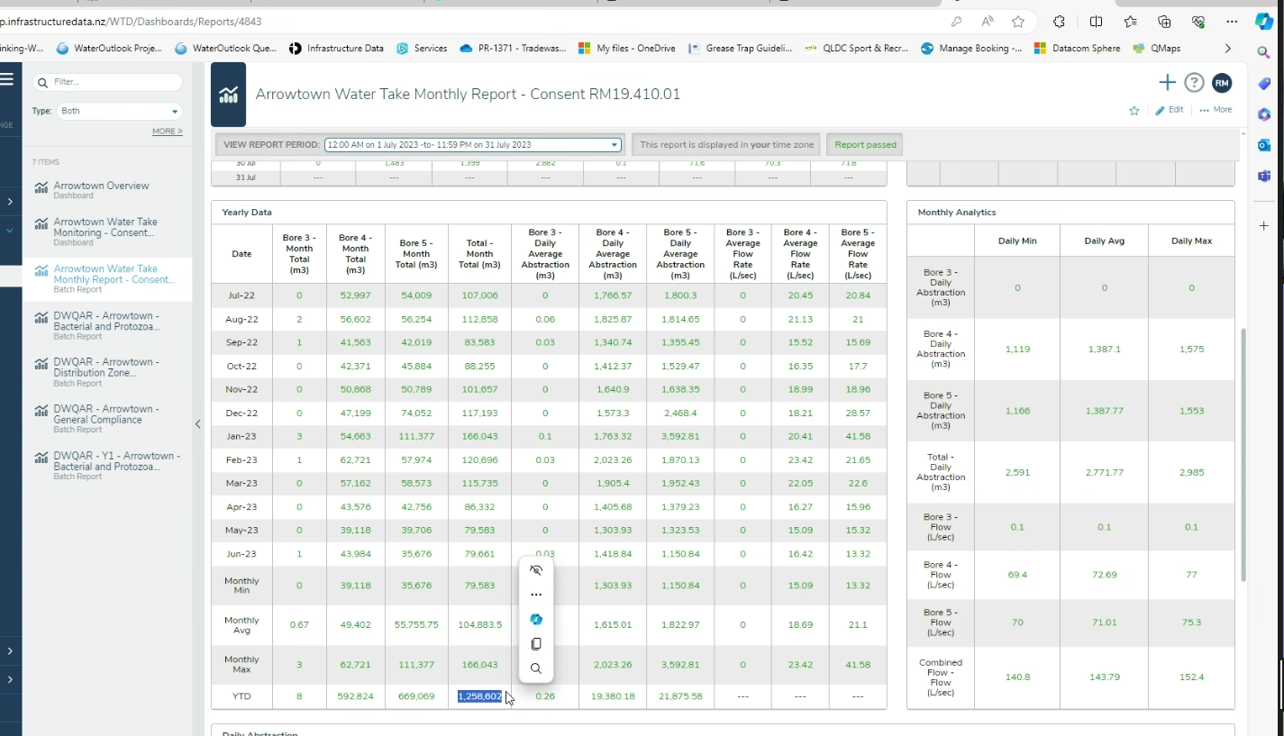
 | Drinking water network water losses | Current annual real loss (CARL) | D-RE2 | Differnet from the water leakage report. Vaughn looked at last year... need to reveiw this and work out how report
 | Drinking water network water losses | Current annual real loss unit of measure
 | Drinking water network water losses | Infrastructure Leakage Index (CARL/UARL) | D-RE3
 | Water use | Median residential water consumption (l/day/connection) | D-RE4 | struggle with per day per conenction because usually do per person.. Once confident in number of connections per scheme, then this is OK. Uses that connection report in TechOne
General asset information | Drinking water network information | Drinking water network source type(s) | D-RE5 | easy, in water safety plans - can we have a dashboard to easily extract?
 | Drinking water network connections | Number of residential connections in the drinking water network | D-RE6
Environmental and public health is protected | Drinking water network connections | Number of non-residential connections in the drinking water network | D-RE7
 | Drinking water network connections | Total population served by the drinking water network | D-EH3 | Annual population calculations for each scheme. Rebecca does in a spreadsheet
 |  | Number abstraction points with water meters installed | D-RE8

